Sheet1
dataset | PFS' | Prism | GTREE | RWordle-L | Ours
Sensorless_drive_diagnosis | 0.84 | 0.69 | 0.78 | 0.89 | 0.84
Condition_based_maintenance | 0.89 | 0.8 | 0.84 | 0.96 | 0.9
Cup98LRN | 0.91 | 0.51 | 0.7 | 0.47 | 0.7
Google_playstore_sentiment | 0.92 | 0.17 | 0.7 | 0.97 | 0.88
BeijingPM2.5 | 0.79 | 0.46 | 0.68 | 0.47 | 0.74
Human_activity_recognition | 0.72 | 0.66 | 0.74 | 0.67 | 0.77
Crowd_sourced_mapping | 0.89 | 0.79 | 0.84 | 0.96 | 0.9
Telescope | 0.79 | 0.66 | 0.79 | 0.89 | 0.82
Credit_card_fraud | 0.79 | 0.59 | 0.75 | 0.76 | 0.77
MoCap | 0.84 | 0.6 | 0.76 | 0.83 | 0.8
BlackFriday | 0.92 | 0.89 | 0.84 | 0.98 | 0.9
2008_cancelled_flights | 0.73 | 0.49 | 0.62 | 0.57 | 0.74
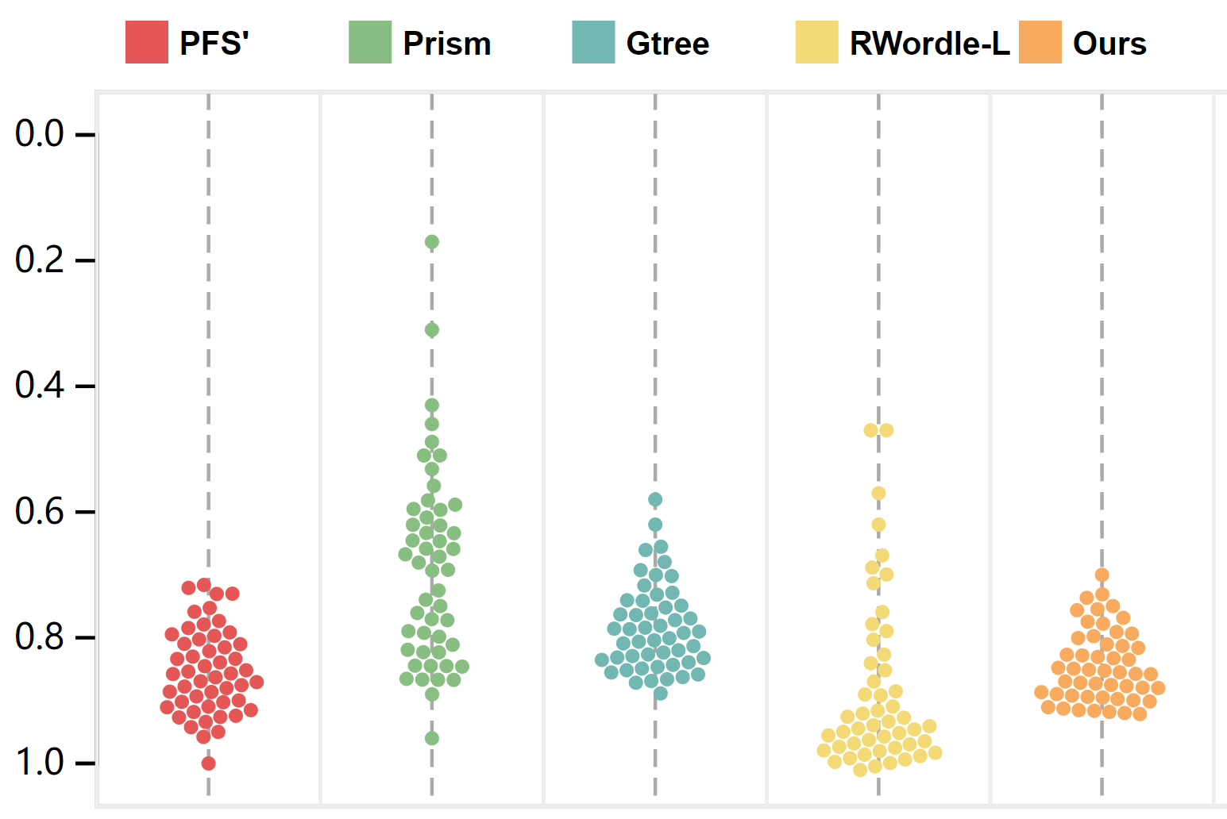
Barcelona_accident | 0.91 | 0.64 | 0.66 | 0.95 | 0.88
HT_sensor | 0.87 | 0.65 | 0.79 | 0.92 | 0.85
Epileptic_seizure | 0.88 | 0.86 | 0.84 | 0.98 | 0.89
worse
Terrorism | 0.8 | 0.31 | 0.66 | 0.62 | 0.76
Mnist_tsne | 0.93 | 0.86 | 0.85 | 0.98 | 0.89
Swiss_roll_3d | 0.91 | 0.74 | 0.84 | 0.96 | 0.88
Nomao | 0.72 | 0.61 | 0.71 | 0.79 | 0.84
Person_activity | 0.85 | 0.65 | 0.76 | 0.93 | 0.84
Diamonds | 0.78 | 0.6 | 0.76 | 0.69 | 0.75
Wine | 0.76 | 0.53 | 0.58 | 0.87 | 0.82
Gas_sensor_array_drift | 0.82 | 0.56 | 0.76 | 0.71 | 0.75
Abalone | 0.9 | 0.73 | 0.83 | 0.95 | 0.87
Gesture_phase | 0.75 | 0.58 | 0.77 | 0.8 | 0.8
CS_rankings | 0.92 | 0.84 | 0.85 | 0.98 | 0.89
Satimage | 0.85 | 0.75 | 0.81 | 0.95 | 0.85
Avila | 0.82 | 0.64 | 0.78 | 0.84 | 0.78
Forest_covertype | 0.8 | 0.65 | 0.77 | 0.93 | 0.84
Clothes | 0.91 | 0.85 | 0.86 | 0.98 | 0.89
News_popularity | 0.87 | 0.85 | 0.83 | 0.97 | 0.9
Grammatical_facial_expression | 0.81 | 0.65 | 0.78 | 0.85 | 0.81
Swiss_roll_2d | 0.87 | 0.77 | 0.81 | 0.97 | 0.87
Hathi_trust_library | 0.88 | 0.76 | 0.81 | 0.95 | 0.89
Daily_sports | 0.8 | 0.51 | 0.77 | 0.78 | 0.79
Manhattan | 0.94 | 0.79 | 0.84 | 0.98 | 0.87
Phyllotaxis | 1 | 0.96 | 0.88 | 1 | 0.9
Basketball | 0.84 | 0.77 | 0.82 | 0.93 | 0.84
Dc_census_citizens | 0.85 | 0.69 | 0.81 | 0.95 | 0.86
Chicago_crimes | 0.84 | 0.68 | 0.79 | 0.93 | 0.85
DBLP_samples | 0.93 | 0.85 | 0.85 | 0.98 | 0.9
Music | 0.89 | 0.81 | 0.84 | 0.98 | 0.88
News | 0.92 | 0.83 | 0.85 | 0.98 | 0.88
Paleontology | 0.89 | 0.82 | 0.85 | 0.98 | 0.9
COVID-19_deaths | 0.73 | 0.63 | 0.73 | 0.93 | 0.85
GridGena | 0.9 | 0.83 | 0.83 | 0.98 | 0.89
GaAsH6 | 0.87 | 0.86 | 0.83 | 0.96 | 0.89
Copter | 0.91 | 0.86 | 0.84 | 0.98 | 0.9
News_aggregator | 0.86 | 0.43 | 0.7 | 0.7 | 0.8
GNFUV | 0.8 | 0.62 | 0.75 | 0.9 | 0.89

